Sheet1
 | Part Number | Description | component photo | MVF judgment | component dimension
 |  |  |  |  | PW | PL | H | LH
1 | 70543-0003 | HEADER,.120" POCKET,STR8,4-CIR |  | OK | 12mm | 6.6mm | 14.7mm | 3.5mm

2 | 22-23-2021 | CONN,2POS,HDR,.1SP X .025 SQ P | 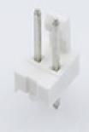 | OK | 5mm | 6.35mm | 14.22mm | 3.5mm

3 | 26-60-4030 | CONN,3P,HEADER,.156 VERT,TIN | 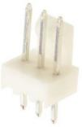 | OK | 7.62mm | 6.35mm | 14.22mm | 3.5mm

4 | 26-60-4060 | CONN,6P,HEADER,.156 VERT,TIN | 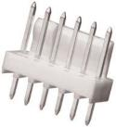 | OK | 15mm | 6.35mm | 14.22mm | 3.5mm

5 | 3296W-1-103LF | POT.,10K,25T,TOP ADJ,3/8 SQ | 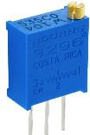 | OK | 9.53mm | 4.83mm | 13.5mm | 4.3mm

